Stepulation
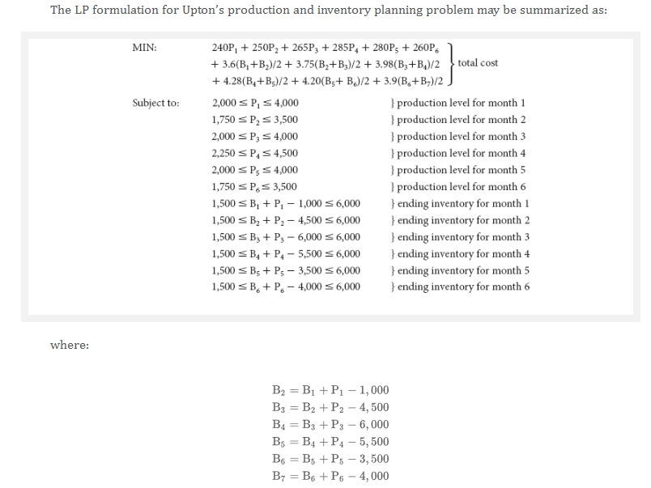
Quarter | Capacity | Demand | Safety Stock | Production Cost
1 | 478 | 594 | 59 | 57
2 | 593 | 701 | 70 | 52
3 | 487 | 565 | 56 | 52
4 | 468 | 592 | 59 | 47
Average | 506 | 613 | 61 | 52

 | Quarter 1 | Quarter 2 | Quarter 3 | Quarter 4
Beginning Inventory | 500 | 59 | 70 | 56
Units Produced | 153.40229167 | 711.70116667 | 551.39895833 | 594.70054167
Units Demanded | 594 | 701 | 565 | 592
Ending Inventory | 59 | 70 | 56 | 59

Min inventory | 59 | 70 | 56 | 59
Max Production | 478 | 593 | 487 | 468

Average Inventory | 279.70010417 | 64.750166667 | 63.300020833 | 57.849979167

Unit Production Costs | 56.61 | 51.50 | 51.89 | 46.67
Unit Carrying Cost (1.49) | 1.00 | 1.00 | 1.00 | 1.00

Monthly Production Cost | 8683.975896 | 36652.906625 | 28612.091948 | 27754.178696
Monthly carrying Cost | 279.70010417 | 64.750166667 | 63.300020833 | 57.849979167

 |  |  |  |  | £102,168.75

Model
Yearly Averages
Quarter | Capacity | Demand | Safety Stock | Production Cost |  | Years | Capacity | Demand | Production Cost
1 | 478 | 594 | 59 | 57 |  | 2000 | 361.04 | 839.8075 | 50.8225
2 | 593 | 701 | 70 | 52 |  | 2001 | 419.3725 | 562.4825 | 49.8125
3 | 487 | 565 | 56 | 52 |  | 2002 | 414.2725 | 736.43 | 52.63
4 | 468 | 592 | 59 | 47 |  | 2003 | 404.8175 | 770.0925 | 49.6025
Average | 506 | 613 | 61 | 52 |  | 2004 | 408.8225 | 791.8 | 47.91
 |  |  |  |  |  | 2005 | 440.6975 | 741.995 | 50.7825
 |  |  |  |  |  | 2006 | 519.075 | 771.0425 | 48.4375
 | Quarter 1 | Quarter 2 | Quarter 3 | Quarter 4 |  | 2007 | 469.655 | 545.6425 | 48.3975
Beginning Inventory | 500 | 369 | 261 | 183 |  | 2008 | 435.41 | 570.8075 | 49.3825
Units Produced | 463.203375 | 593 | 487 | 467.99958333 |  | 2009 | 514.495 | 662.6075 | 54.4
Units Demanded | 594 | 701 | 565 | 592 |  | 2010 | 479.725 | 654.97 | 53.5675
Ending Inventory | 369 | 261 | 183 | 59 |  | 2011 | 478.0475 | 679.445 | 52.675
 |  |  |  |  |  | 2012 | 436.8775 | 634.4875 | 55.77
Min inventory | 59 | 70 | 56 | 59 |  | 2013 | 523.4725 | 492.825 | 52.5325
Max Production | 478 | 593 | 487 | 468 |  | 2014 | 545.385 | 612.5025 | 49.575
 |  |  |  |  |  | 2015 | 508.475 | 533.8075 | 55.5125
Average Inventory | 434.60064583 | 315.20066667 | 222.20045833 | 121.20045833 |  | 2016 | 581.62 | 531.8475 | 48.9025
 |  |  |  |  |  | 2017 | 586.085 | 538.4475 | 52.18
Unit Production Costs | 56.61 | 51.50 | 51.89 | 46.67 |  | 2018 | 586.6975 | 447.905 | 53.125
Unit Carrying Cost (1.49) | 1.54 | 1.54 | 1.54 | 1.54 |  | 2019 | 594.045 | 537.1 | 53.9
 |  |  |  |  |  | 2020 | 612.495 | 532.3075 | 53.6975
Monthly Production Cost | 26221.557056 | 30539.747083 | 25270.43 | 21841.150555 |  | 2021 | 610.83 | 498.825 | 52.6925
Monthly carrying Cost | 669.28499458 | 485.40902667 | 342.18870583 | 186.64870583 |  | 2022 | 628.2925 | 509.9 | 51.82
 |  |  |  |  |  | 2023 | 596.2925 | 514.94 | 51.885
 |  |  |  |  | £105,556.42

